CG Women
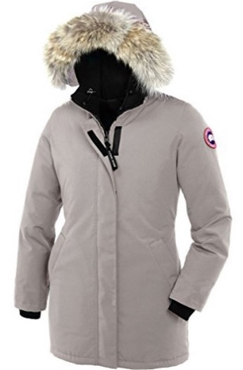
WOMEN | CANADA GOOSE |  |  |  |  |  |  |  |  |  |  |  | Total Purchase Order | UK RETAIL PRICE
 | COLOR |  | SIZE |  |  |  |  |  | Purchase Order
 |  |  | XS | S | M | L | XL |  | S | M | L | XL
 |  | Black | 9 | 18 | 18 | 9 | 9 | 63 |  |  |  |  |  | £950.00

 |  | Navy | 7 | 14 | 14 | 7 | 7 | 49

VICTORIA PARKA STYLE # 3037L |  | Graphite | 7 | 14 | 14 | 7 | 7 | 49

 |  | Limestone | 5 | 10 | 10 | 5 | 5 | 35

 |  |  |  |  |  |  | TOTAL | 196

CG Men
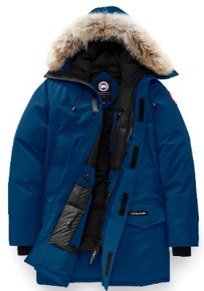
CANADA GOOSE Minimum Order Quantity 120 units |  |  |  |  |  |  |  |  |  |  |  |  | Total Purchase Order | UK RETAIL PRICE
MODEL | COLOR |  | SIZE |  |  |  |  |  | Purchase Order
 |  |  | S | M | L | XL |  |  | S | M | L | XL
LANGFORD STYLE # 2062M SLIM |  | Black | 6 | 12 | 12 | 6 |  | 36 |  |  |  |  |  | £1,150.00

 |  | Navy | 4 | 8 | 8 | 4 |  | 24

 |  | Graphite | 4 | 8 | 8 | 4 |  | 24

 |  | Limestone | 5 | 10 | 10 | 5 |  | 30

 |  | Northern Night (New) | 4 | 8 | 8 | 4 |  | 24

 |  |  |  |  |  |  | TOTAL | 138

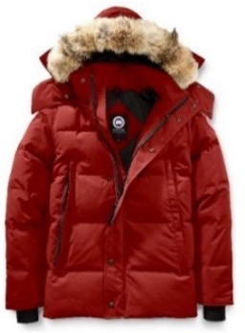
CANADA GOOSE |  |  |  |  |  |  |  |  |  |  |  |  | Total Purchase Order | UK RETAIL PRICE
MODEL | COLOR |  | SIZE |  |  |  |  |  | Purchase Order
 |  |  | S | M | L | XL |  |  | S | M | L | XL
WYNDHAM STYLE # 3808M SLIM |  | Black | 10 | 20 | 20 | 10 |  | 60 |  |  |  |  |  | £1,175.00

 |  | Navy | 7 | 14 | 14 | 7 |  | 42

 |  | Graphite | 5 | 10 | 10 | 5 |  | 30

 |  | Limestone | 5 | 10 | 10 | 5 |  | 30

NEW Canada Goose Wyndham Slim Fit Genuine Coyote Fur Trim Down Jacket |  |  |  |  |  | TOTAL |  | 162

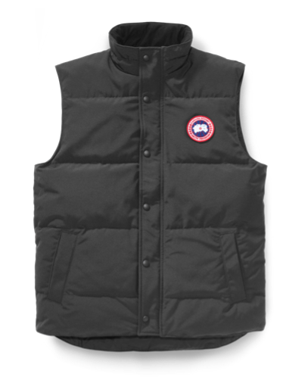
CANADA GOOSE |  |  |  |  |  |  |  |  |  |  |  |  | Total Purchase Order | UK RETAIL PRICE
MODEL | COLOR |  | SIZE |  |  |  |  |  | Purchase Order
 |  |  | S | M | L | XL | XXL |  | S | M | L | XL
GARSON STYLE # 4151M VEST |  | Black | 20 | 40 | 40 | 20 | 20 | 140 |  |  |  |  |  | £450.00

 |  | Navy | 3 | 6 | 6 | 3 | 3 | 21

 |  | Graphite | 4 | 8 | 8 | 4 | 4 | 28

 |  | Limestone | 10 | 20 | 20 | 10 | 10 | 70

 |  | Northern Night (New) | 3 | 6 | 6 | 3 | 3 | 21

 |  |  |  |  |  | TOTAL |  | 280

